Tool graph drawn in neo4j
Developed Tool Graph containing 40 tools
Tool graph in neo4j | task IO Flow Table
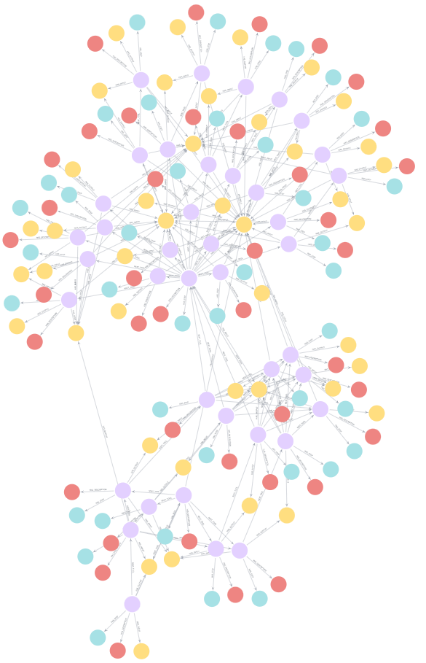 | [ { "n": { "identity": 0, "labels": [ "Tool" ], "properties": { "name": "real_time_rainfall_event_extractor" }, "elementId": "4:60ebd6d6-9d4b-4cf3-9b05-21129ff8905c:0" }, "r": { "identity": 6917529027641081899, "start": 0, "end": 43, "type": "HAS_STEP", "properties": {}, "elementId": "5:60ebd6d6-9d4b-4cf3-9b05-21129ff8905c:6917529027641081899", "startNodeElementId": "4:60ebd6d6-9d4b-4cf3-9b05-21129ff8905c:0", "endNodeElementId": "4:60ebd6d6-9d4b-4cf3-9b05-21129ff8905c:43" }, "m": { "identity": 43, "labels": [ "Step" ], "properties": { "name": "Extract real-time rainfall event" }, "elementId": "4:60ebd6d6-9d4b-4cf3-9b05-21129ff8905c:43" } }, { "n": { "identity": 0, "labels": [ "Tool" ], "properties": { "name": "real_time_rainfall_event_extractor" }, "elementId": "4:60ebd6d6-9d4b-4cf3-9b05-21129ff8905c:0" }, "r": { "identity": 6917532326175965267, "start": 0, "end": 83, "type": "HAS_DESCRIPTION", "properties": {}, "elementId": "5:60ebd6d6-9d4b-4cf3-9b05-21129ff8905c:6917532326175965267", "startNodeElementId": "4:60ebd6d6-9d4b-4cf3-9b05-21129ff8905c:0", "endNodeElementId": "4:60ebd6d6-9d4b-4cf3-9b05-21129ff8905c:83" }, "m": { "identity": 83, "labels": [ "Description" ], "properties": { "text": "This tool is to extract real-time rainfall event. It outputs the real-time rainfall event data in real_time_rainfall_event.json and saved in Global_Data.json. If this function is running, you could find the path of real_time_rainfall_event.json in Global_Data.json." }, "elementId": "4:60ebd6d6-9d4b-4cf3-9b05-21129ff8905c:83" } }, { "n": { "identity

